Sheet2
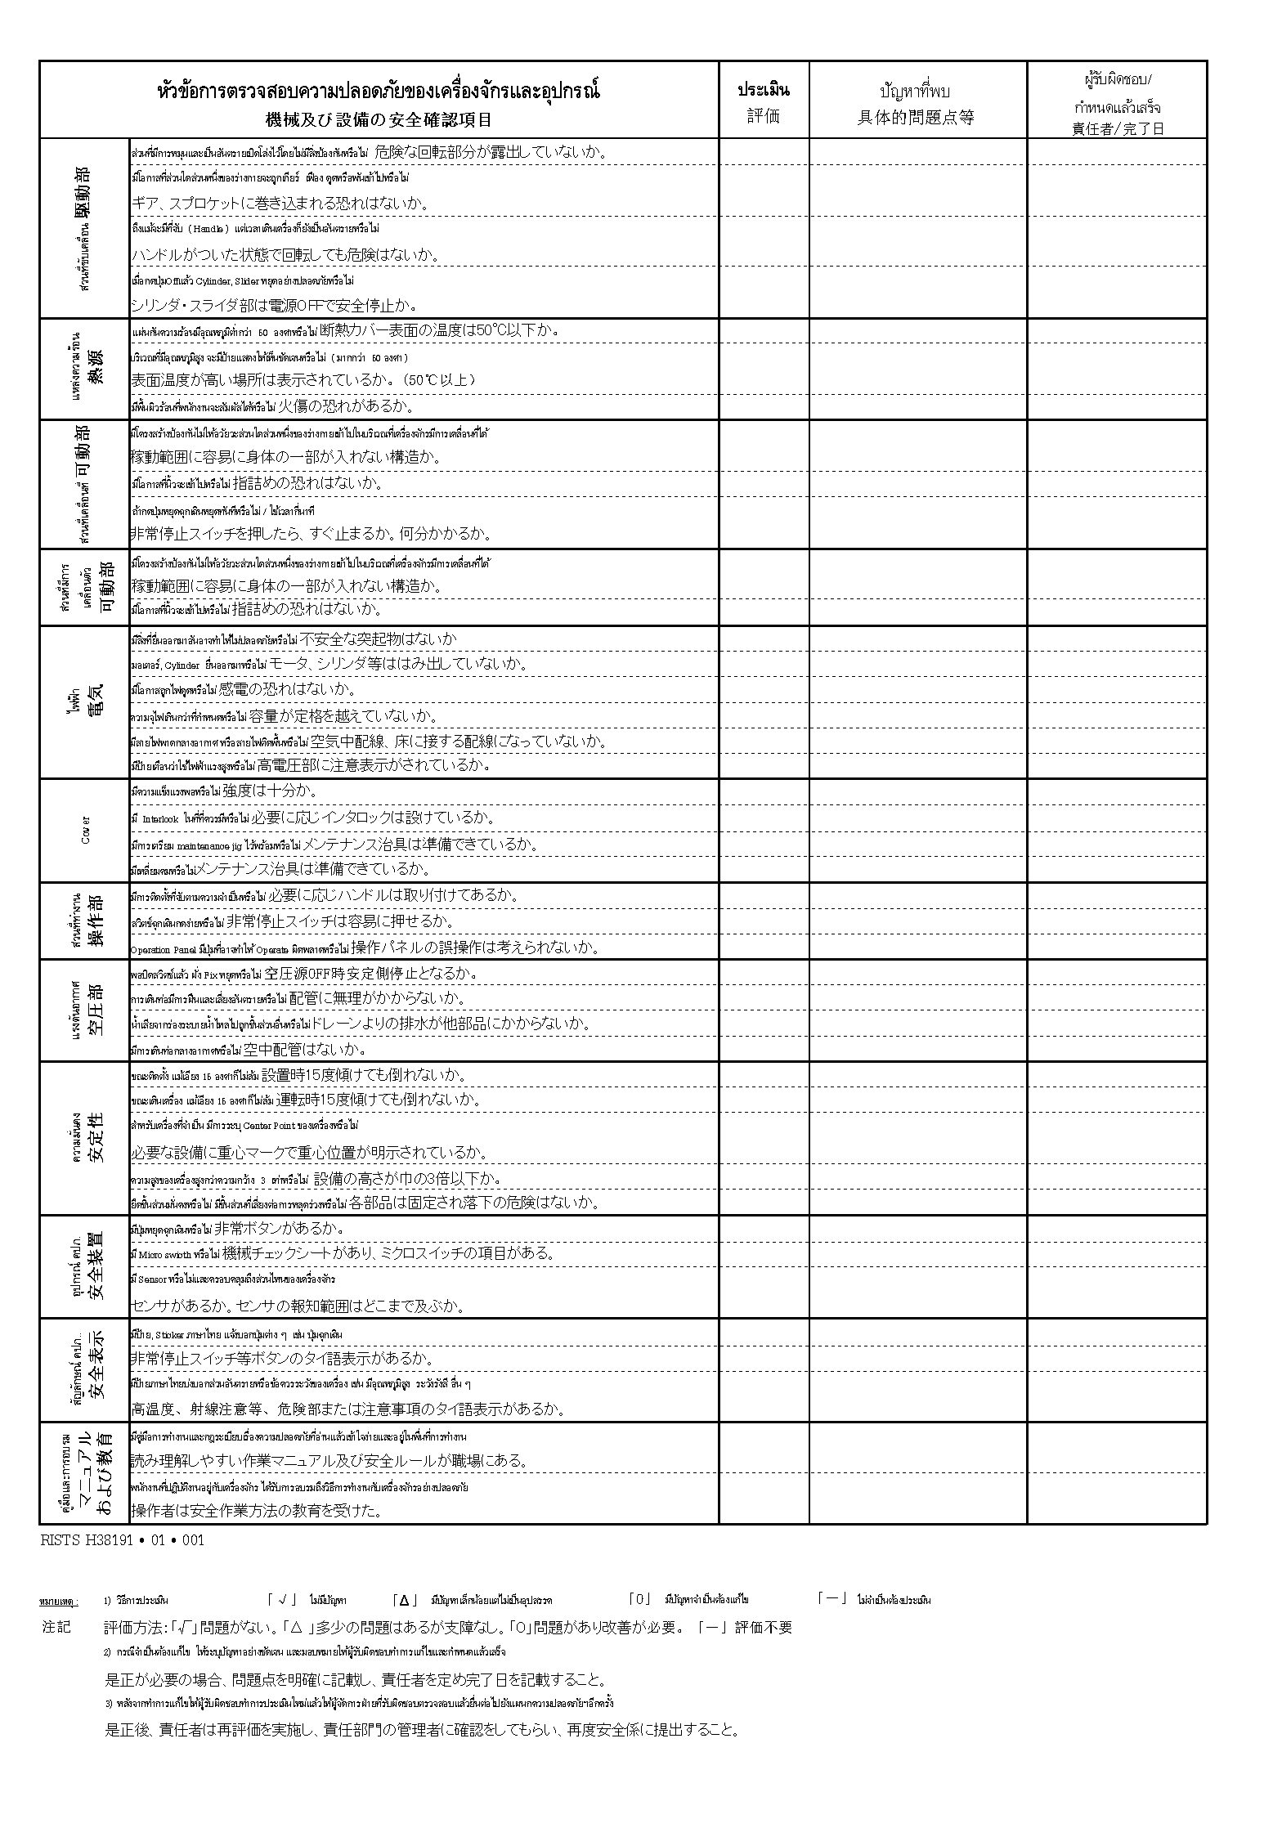
Page 2 (Equipment Safety Device & Safety Cover Check Sheet)

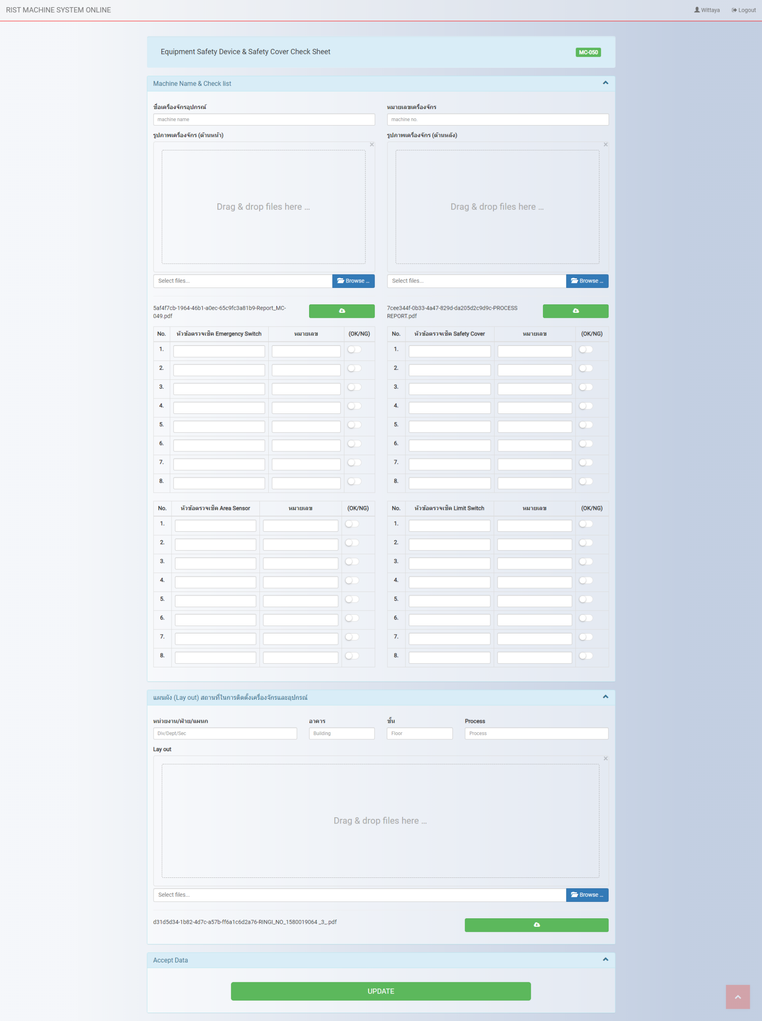

Page 2 : Report

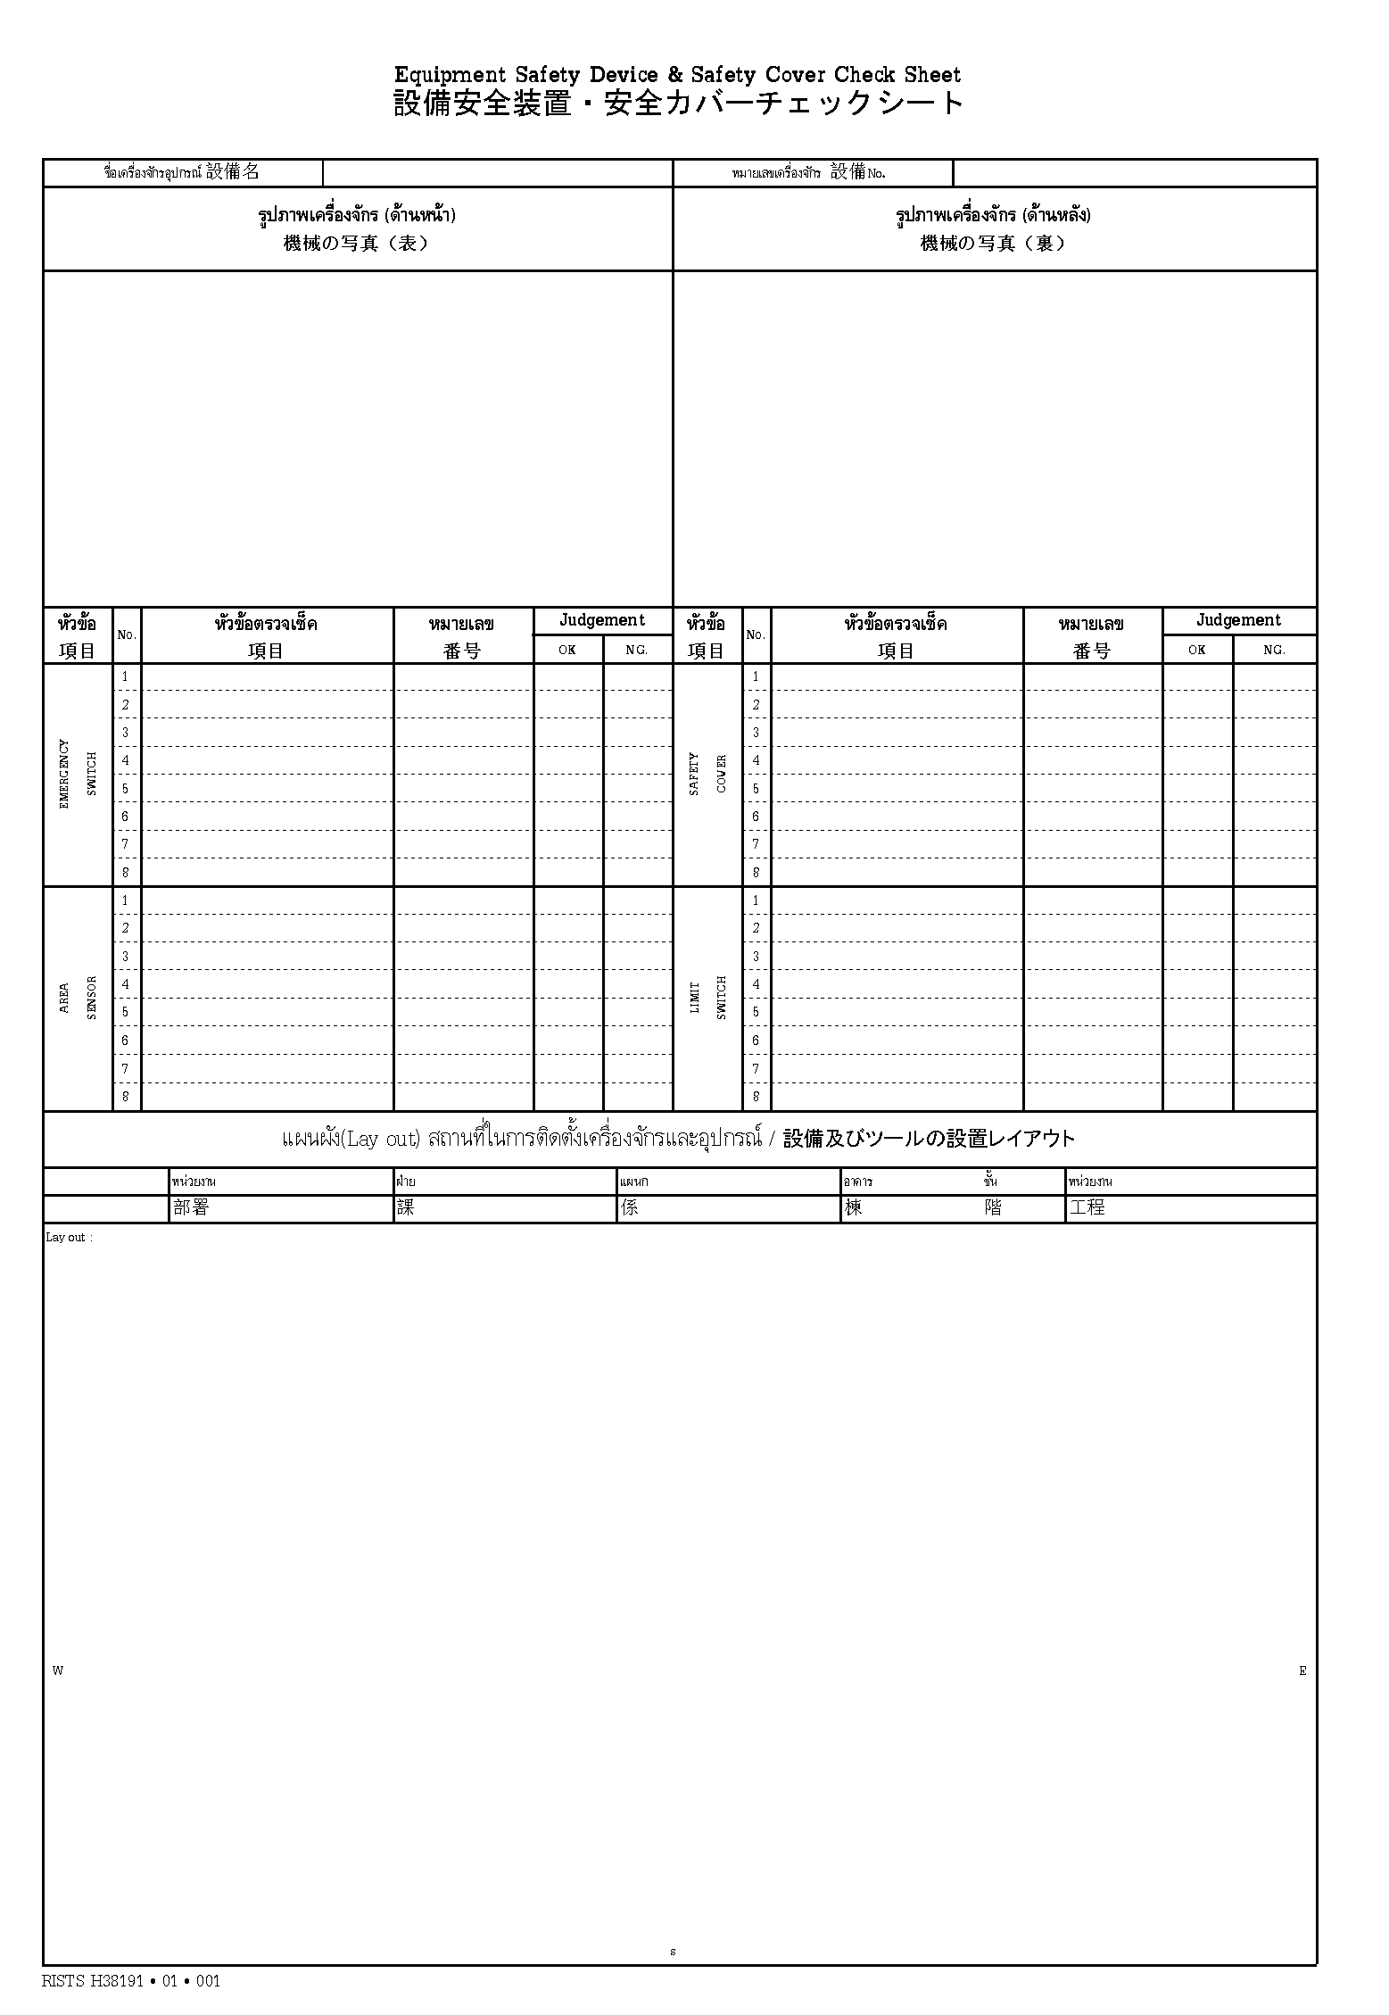

Page 3 (หัวข้อการตรวจสอบความปลอดภัยของเครื่องจักรและอุปกรณ์)

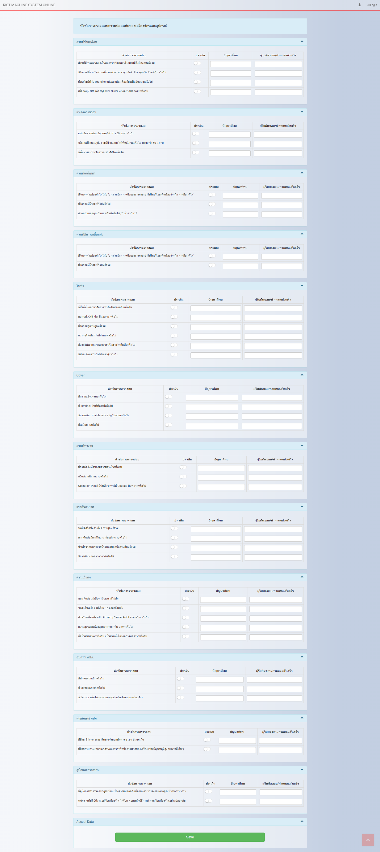

Page 3:Report

